Sheet1
System | Data | Sector | Period | Transit Duration |  | Transit Location | Depth | Stellar Radius | Radius | Planet Radius | Radius (Earth) | Mag = 5.1054
TIC: 261136679 | 20 | 39 | 6.2730273027 | 0.1 |  | 2365.9523273 | 0.0002994225525 | 1.15 | 800791 | 13856.751788 | 2.1749728125
TOI: 144 | 120 | 39 | 6.2730273027 | 0.1 |  | 1601.2846602 | 0.00030505424726 | 1.15 | 800791 | 13986.457227 | 2.1953315378
Percent Difference |  | 0 | 0 | 0 |  | 47.753387402 | 1.8461289464 | 0 | 0 | 0.92736449778 | 0.92736449778

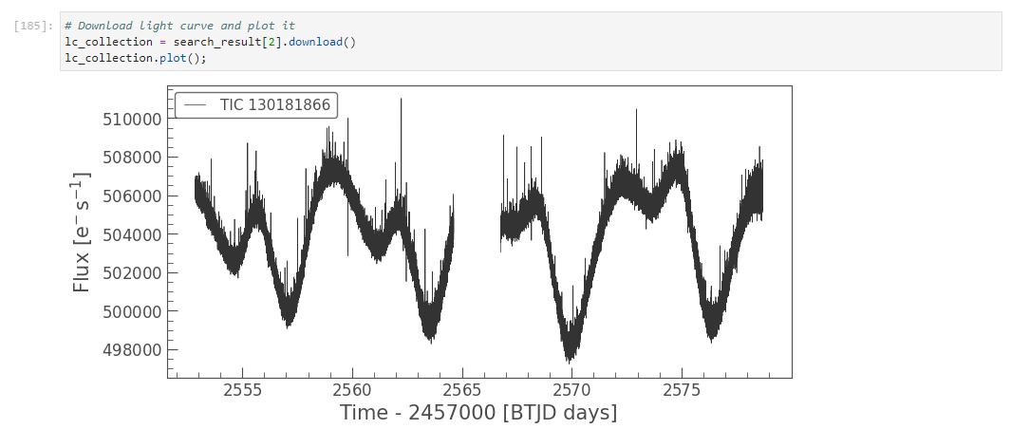
TOI 1726 - weird

System | Data | Sector | Period | Transit Duration |  | Transit Location | Depth | Stellar Radius | Radius | Planet Radius | Radius (Earth) | Mag = 7.3566
TIC: 441462736 | 20 | 29 | 11.679067907 | 0.33 |  | 2096.6246913 | 0.000331855 | 2.9032399654 | 2021642.1175 | 36828.032873 | 5.7805733594
TOI: 197 | 120 | 29 | 15.735973597 | 0.33 |  | 2096.6246913 | 0.00022992167871 | 2.9032399654 | 2021642.1175 | 30654.500058 | 4.8115680518

Consider noise in periodogram
20 sec |  |  |  |  |  |  |  |  |  | 120sec
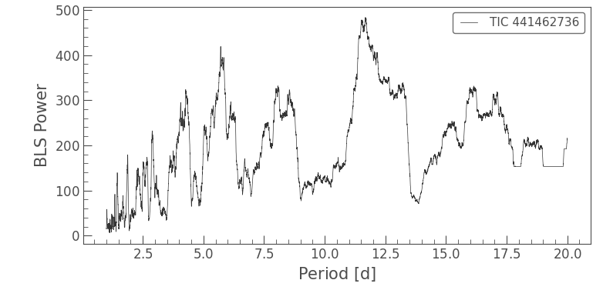
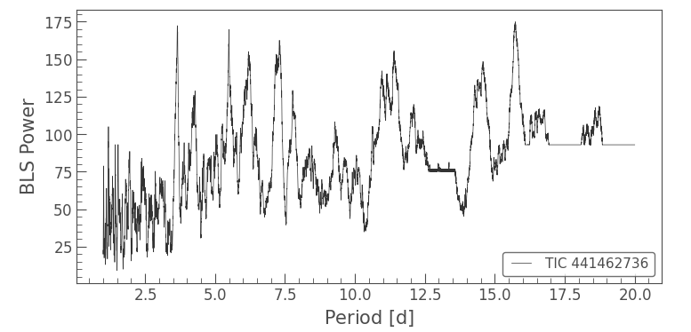

System | Data | Sector | Period | Transit Duration |  | Transit Location | Depth | Stellar Radius | Radius | Planet Radius | Radius (Earth) | Mag = 7.384
TIC: 403224672 | 20 | 27 | 1.0076007601 | 0.05 |  | 2036.3517171 | 0.000206841 | 1.1318700314 | 788166.37764 | 11335.392392 | 1.7792171388
TOI: 141 | 120 | 27 | 1.0076007601 | 0.05 |  | 2036.3522959 | 0.00019292026154 | 1.1318700314 | 788166.37764 | 10947.295103 | 1.7183009108

System | Data | Sector | Period | Transit Duration | Duration Hours | Transit Location | Depth | Stellar Radius | Radius | Planet Radius | Radius (Earth) | Mag = 7.437
TIC: 263003176 | 20 | 39 | 14.316531653 | 0.15 | 3.6 | 2368.9928142 | 0.000354225 | 1.1374200583 | 792031.08336 | 14906.71995 | 2.3397771072
TOI: 130 | 120 | 39 | 14.339333933 | 0.2 | 4.8 | 2368.9733929 | 0.00032859226993 | 1.1374200583 | 792031.08336 | 14357.237913 | 2.2535297306

System | Data | Sector | Period | Transit Duration | Duration Hours | Transit Location | Depth | Stellar Radius | Radius | Planet Radius | Radius (Earth) | Mag = 11.3187
TIC: 232038798 | 20 | 34 | 4.154620462 | 0.05 | 1.2 | 2231.3674259 | 0.01030002 | 1.09 | 759010.6 | 77031.254233 | 12.090920457
TOI: 1909 | 120 | 34 | 4.154620462 | 0.05 | 1.2 | 2231.3675417 | 0.009651370066 | 1.09 | 759010.6 | 74566.253884 | 11.704010969

 | 120sec |  |  |  |  |  |  |  |  |  | 20sec
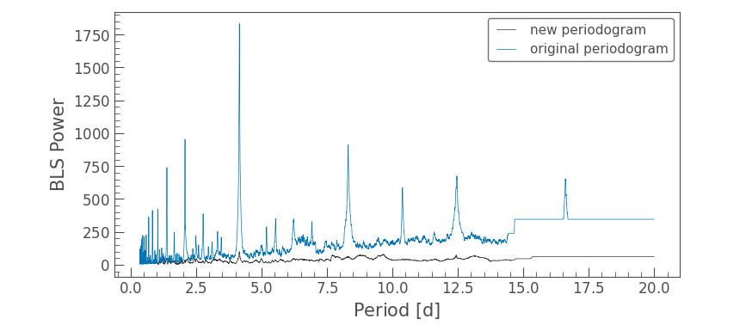
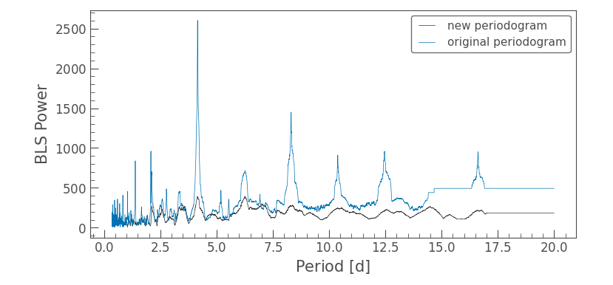

System | Data | Sector | Period | Transit Duration | Duration Hours | Transit Location | Depth | Stellar Radius | Radius | Planet Radius | Radius (Earth) | Mag = 7.81307
TIC: 294090620 | 20 | 61 | 16.087293729 | 0.2 | 4.8 | 2968.1236706 | 0.00337369 | 2.0411400795 | 1421327.483 | 82555.610082 | 12.958030149 | NASA says period of 8 days - looks like transit overlaps with dwonload of data - misses a transit therefore period of 16 days
TOI: 587 | 120 | 61 | 10.048244824 | 0.33 | 7.92 | 2964.0655455 | 0.00019860867022 | 2.0411400795 | 1421327.483 | 20030.567579 | 3.1440225364
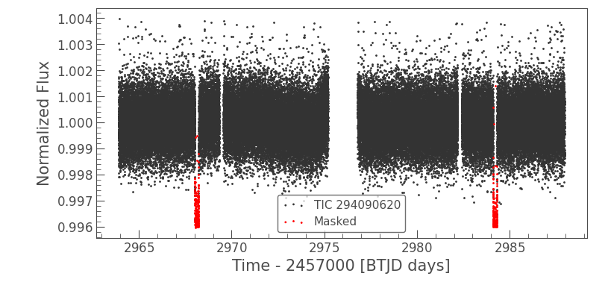

 | 20sec |  |  |  |  |  | 120sec
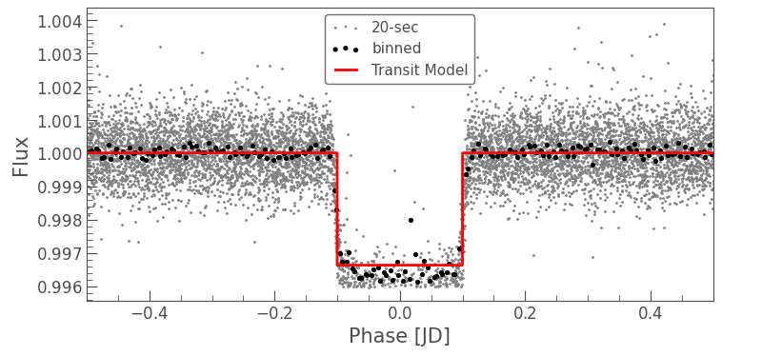
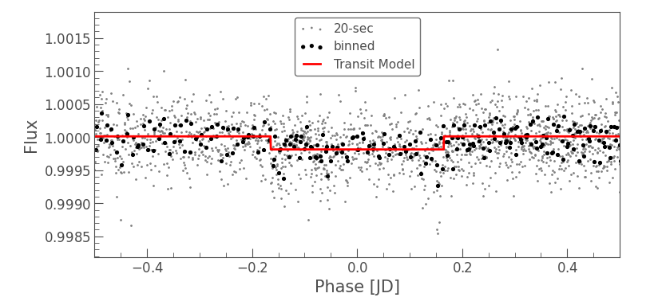

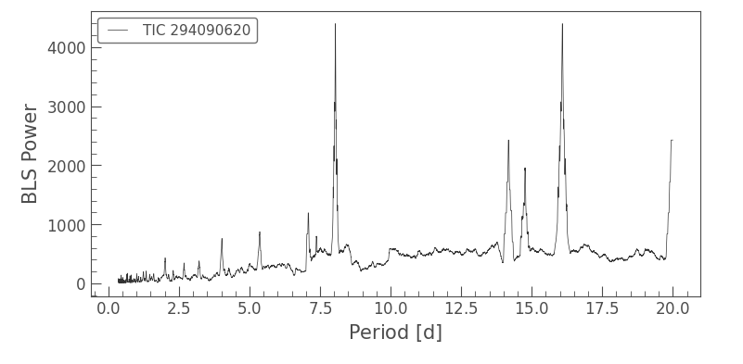
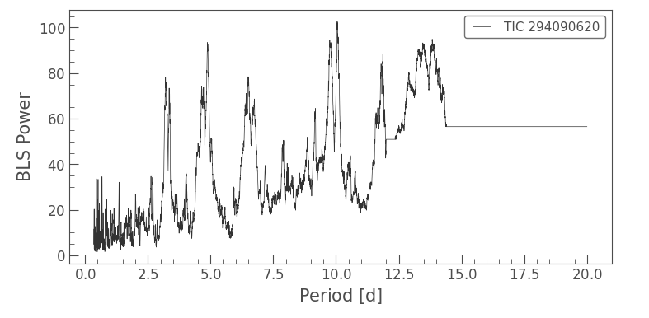

System | Data | Sector | Period | Transit Duration | Duration Hours | Transit Location | Depth | Stellar Radius | Radius | Planet Radius | Radius (Earth) | Mag = 10.374
TIC: 191284318 | 20 | 61 | 2.7770177018 | 0.1 | 2.4 | 2854.9936268 | 0.01130263 | 1.2418199778 | 864728.92331 | 91932.644643 | 14.429861033
TOI: 1458 | 120 | 61 | 2.7770177018 | 0.1 | 2.4 | 2854.9942055 | 0.012072861115 | 1.2418199778 | 864728.92331 | 95013.449964 | 14.913428028

120sec |  |  |  |  |  |  | 20sec
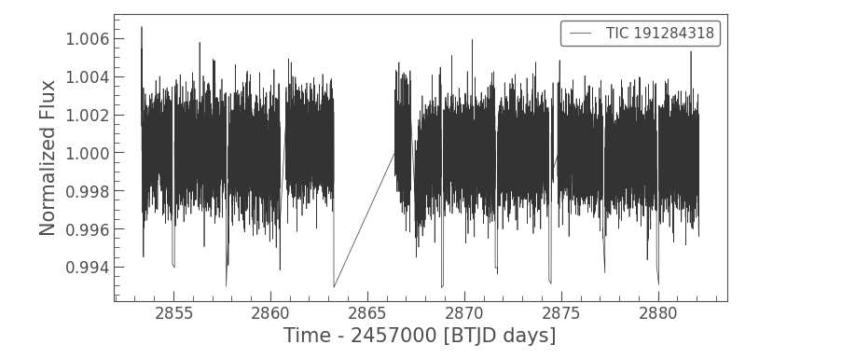
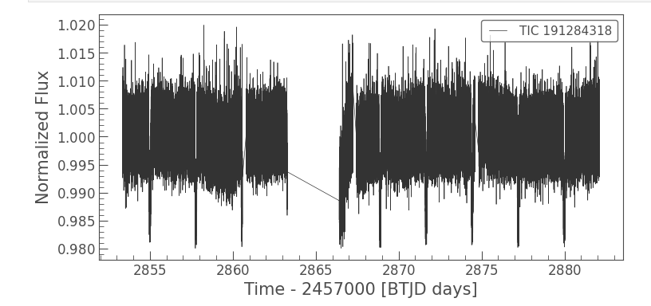

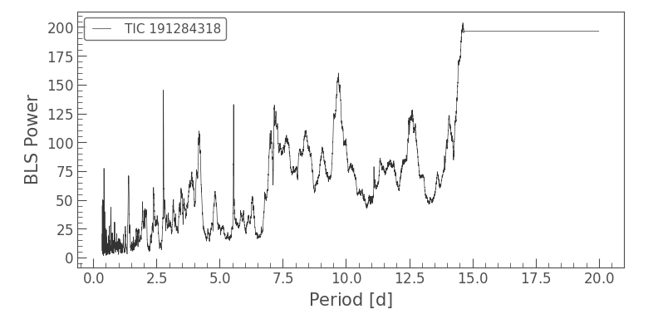
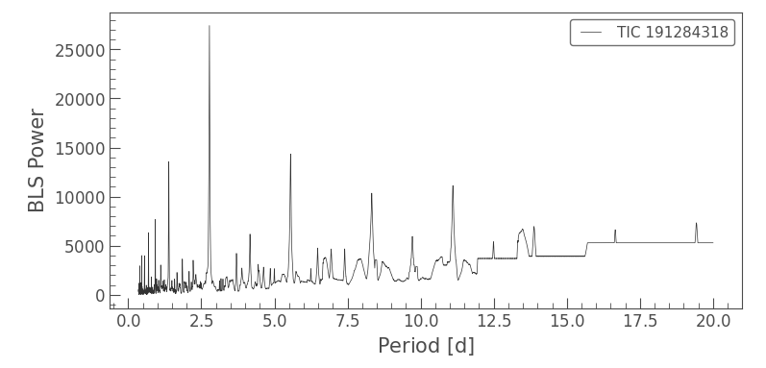

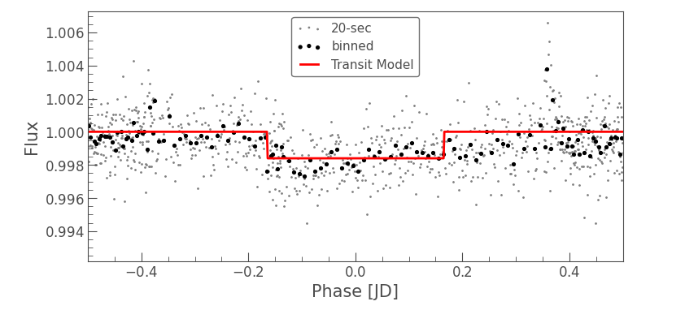
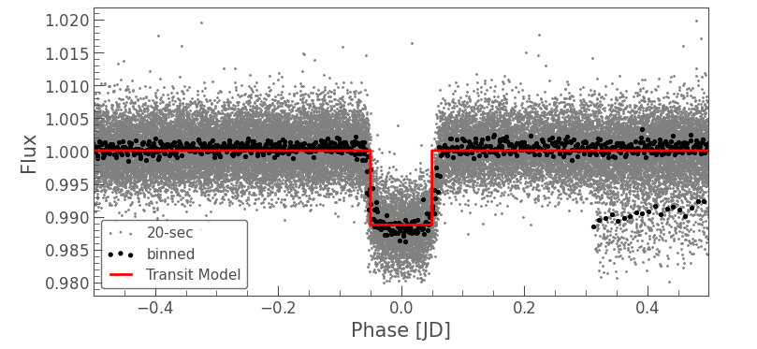

 |  |  |  | Problem is with remove outliers on 120sec - normalising is fine - but when removing outliers it must take all the transit as outliers as well

